NLS Worksheet
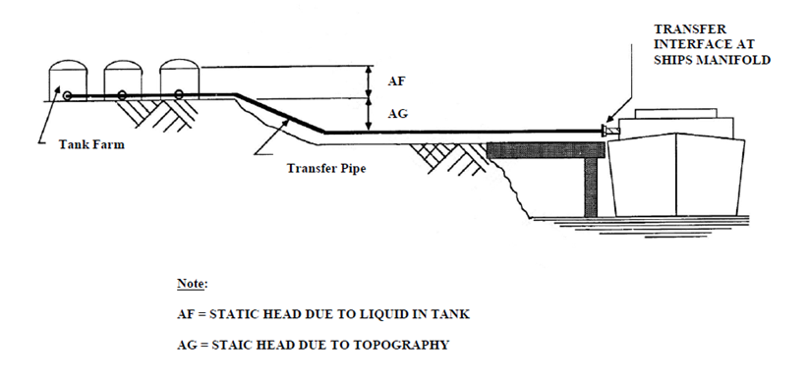
WORKSHEET FOR A RECEPTION FACILITY CERTIFICATE OF ADEQUACY FOR NOXIOUS LIQUID SUBSTANCE (NLS) RESIDUES AND MIXTURES CONTAINING NLS RESIDUES

Name of Terminal/Port
 | Address

RECEPTION FACILITY SECTION:
 | This section describes how to calculate the estimated capacity of the reception facility the terminal must provide to be issued a Certificate of Adequacy.

 | FIXED RECEPTION FACILITES:
 | A Maximum transfer rate capability for NLS residues: |  |  |  |  |  | cubic meters/hour

 | B NLS waste processing capability or transfer from storage facility: |  |  |  |  |  | cubic meters/day

 | MOBILE TANK TRUCK RECEPTION:
 | C Maximum transfer rate capability for NLS residues: |  |  |  |  |  | cubic meters/hour

 | D Number of tank trucks available:
 | If tank trucks are not owned, list the name and address of company(ies) which are providing them (such as rental or leasing companies):

 | E Capacity of tank truck: |  |  |  |  |  | cubic meters
 | (for more than one truck use the average size)
 | F Time required to fill tank truck with NLS residue: |  |  |  |  | #DIV/0! | hours

 | G Estimated time between filing of tank trucks (i.e. enter the time it takes a truck once filled with waste to offload and load again): |  |  |  |  |  | hours

 | (If line item "D" is "1" or "0" enter "0." If line item "D" is greater than "1" enter the time it takes a truck once filled with waste to offload and load again)

 | H Daily capacity of mobile tank truck reception: |  |  |  |  | #DIV/0! | cubic meters/day

 | BARGE RECEPTION FACILITES:
 | I Maximum transfer rate capability for NLS residues: |  |  |  |  |  | cubic meters/hour

 | J Number of barges available:
 | If barges are not owned, list the name and address of company(ies) which are providing them (such as rental or leasing companies):

 | K Capacity of barge: |  |  |  |  |  | cubic meters
 | (for more than one barge use the average size)
 | L Time required to fill barge with NLS residue: |  |  |  |  | #DIV/0! | hours

 | M Estimated time between filing of barges: |  |  |  |  |  | hours
 | (If line item "J" is "1" or "0" enter "0." If line item "J" is greater than "1" enter the time it takes a barge once filled with waste to offload and load again)

 | N Daily capacity of barge reception facilities: |  |  |  |  | #DIV/0! | cubic meters/day

 | OTHER RECEPTION FACILITY CAPACITY:
 | Describe completely and show calculations used to arrive at the daily capacity in cubic meters ("P") and daily average transfer rate ("O") in cubic meters per hour:

 | O | cubic meters/hour | P |  | cubic meters/day

SHIP NLS WASTE SECTION:
 | Ports should enter the sum of the operations for the terminals considered part of the port.

 | TERMINAL OR PORT: (ship repair yards need not complete this section)
 | Q Number of "Category X solidifying/high viscosity" cargoes handled at the terminal/port during the last 12 months. (If the same Category X cargo is carried in two different tanks on the same vessel, count this as one cargo.)

 | R Number of "Category X other and Y solidifying/high viscosity cargoes" handled at the terminal/port during the last 12 months.

 | SHIP REPAIR YARD: (only ship repair yards complete this section)
 | S Check the appropriate boxes for cargoes handled in the last 12 months on ships visiting the ship repair yard. The values under the "CAPACITY VALUES" column are used in calculating item "U"; they can be ignored here.

 | Category |  |  | Capacity Values
 | Category X solidifying NLS |  |  | 75 cubic meters
 | Category X other and Y solidifying/high viscosity NLS |  |  | 50 cubic meters
 | Category Y NLS |  |  | 50 cubic meters
 | Category Z NLS |  |  | 50 cubic meters
 | Category OS NLS |  |  | 50 cubic meters

ADEQUACY CRITERIA SECTION:
 | This section calculates the amount of NLS residues that would be expected to be generated by vessels visiting the terminal/port or ship repair yard as determined by the criteria set forth in 33 CFR 158.320.

 | CAPACITY REQUIRMENT:
 | T Estimated daily capacity requirement of the terminal/port to receive NLS residues resulting from prewash operations. |  |  |  |  |  | cubic meters

 | (enter here and on line 5B of the Form 5401B application)
 | U Estimated daily capacity requirements of the ship repair yard to receive NLS residues. |  |  |  |  | 0 | cubic meters

 | (From line item "S" add the values under the "Capacity Values" column for those items checked under the "Category" column and enter the value here and on line 5B on the Form 5401B application)
 | V Estimated daily capacity of the reception facility to receive NLS residues resulting from prewash operations or from ship repair yard operations. |  |  |  |  | #DIV/0! | cubic meters

 | (enter here and on line 5A of the Form 5401B application)

 | WASTE TRANSFER RATE REQUIREMENT:
 | W Time required to transfer NLS residues to fixed reception facilities: |  |  |  |  | #DIV/0! | hours

 | X Number of tank truck trips required to handle NLS residues: |  |  |  |  | #DIV/0!

 | Y Whole number of tank truck trips: (round "X" up to the next whole number) |  |  |  |  | #DIV/0!

 | Z Time necessary to reconnect trucks to continue transfer operations: |  |  |  |  | #DIV/0! | hours

 | AA Total time required to transfer NLS residues to mobile tank truck reception facilities: |  |  |  |  | #DIV/0! | hours

 | AB Number of tank barge trips required to handle NLS residues: |  |  |  |  | #DIV/0!

 | AC Whole number of tank barges: (round "AB" up to the next whole number) |  |  |  |  | #DIV/0!

 | AD Total turnaround time necessary to reconnect barges to continue transfer operations: |  |  |  |  | #DIV/0! | hours

 | AE Total time required to transfer NLS residue to tank barge reception facilities: |  |  |  |  | #DIV/0! | hours

TERMINAL BACKPRESSURE SECTION:
 | Refer to the attached transfer line backpressure diagram and enter the values as indicated for the line items "AF" and "AG."

 | AF Enter maximum height of the tallest facility storage tank which will be expected to receive NLS residues resulting from stripping operations: |  |  |  |  |  | feet

 | AG Enter difference in elevation from level of ship's manifold at mean low water to the base of the facility tank to be used to receive NLS residues from stripping operations: |  |  |  |  |  | feet

 | AH Estimated backpressure due to elevation difference between facility storage tank and offloading operations: |  |  |  |  | 0 | bar

 | If value is greater than 1 BAR, the terminal or port must make equipment or operational changes which when certified by a professional engineer or demonstrated by an operational test to the COTP indicates the terminal can reduce the backpressure to 1 BAR or less during NLS cargo stripping operations.

Printed or typed name of person completing this worksheet:

 | FIGURE 1: TRANSFER LINE BACK PRESSURE DIAGRAM

